Sheet1
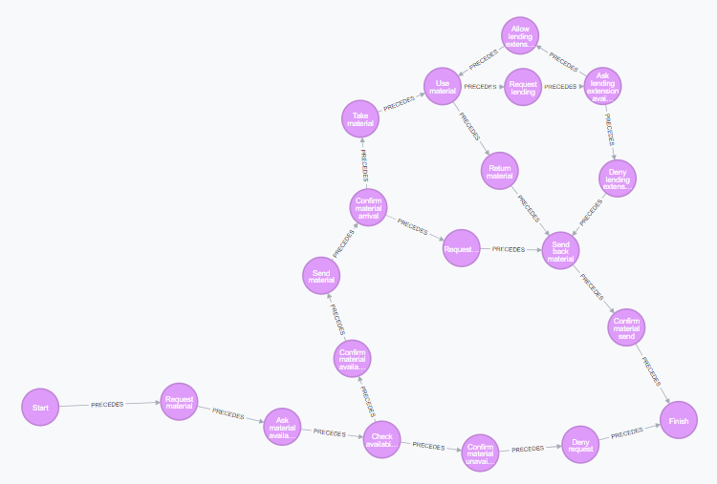
Code | Activity Name | User | Flow
S | Start | Pemustaka | Start | Finish
A | Request Material | Pemustaka | S | A
B | Ask material availability | Perpustakaan | A | B
C | Check availability | Supplier | B | C
D | Confirm material availability | Supplier | C | D
E | Confirm material unavailable | Supplier | C | E
F | Send material | Supplier | D | F
G | Deny request | Perpustakaan | E | G
H | Confirm material arrival | Perpustakaan | F | H
I | Take material | Pemustaka | G | Finish
J | Requested material pickup exceed time limit | Perpustakaan | H | I
K | Use material | Pemustaka | H | J
L | Send back material | Perpustakaan | I | K
M | Return material | Pemustaka | J | L
N | Request lending extensioin | Pemustaka | K | M
O | Ask lending extension availability | Perpustakaan | K | N
P | Confirm send back material arrival | Supplier | L | P
Q | Allow lending extension | Supplier | M | L
R | Deny lending extension | Supplier | N | O
Finish | Finish | Supplier | O | Q
 |  |  | O | R
 |  |  | P | Finish
 |  |  | Q | K
 |  |  | R | L

